Sheet1
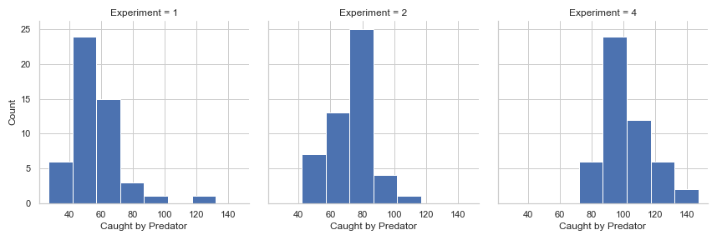
Sum of variables across all 50 runs this means each run contains the sum of all points gained by each of the 5 agents.
 | Exp 1 | Exp 2 | Exp 3 | Exp 4
training cycles | 580k | 1000k | 1000k | 1000k
predator in training | Present | Present | Not | Not
predator in testing | Present | Present | Not | Present |  | al 1 (Pos points)
Positive | 326.88 (34.231) | 779.4 (57.434) | 1455.18 (111.235) | 1476.62 (122.026) |  | be -0.2 (Neg points)
Negative | 320.44 (35.595) | 706.88 (53.059) | 491.24 (42.519) | 504.98 (44.173) |  | ga -1 (Capt by predator)
Caught | 55.48 (15.931) | 72.7 (11.784) | 0 | 102.08 (14.475)
Task efficieny 1 (positive - negative) | 262.79 (30.474) | 638.02 (52.816) | 1356.93 (108.803) | 1375.62 (118.907) |  | (Number of positive points * al) - (Number of negative points * be)
Task efficieny 2 (positive - negative - caught) | 207.312 (33.835) | 565.324 (53.164) | 1356.93 (108.803) | 1273.544 (124.072) |  | (Number of positive points * al) - (Number of negative points * be) - (Number of times caught by predator * ga)

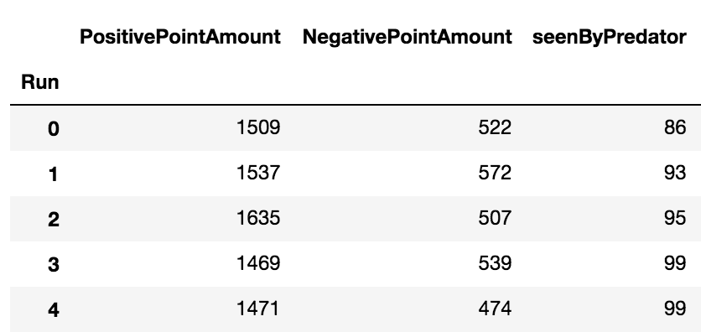
Positive Point Comparisons | Mean Exp 1 | Mean Exp 2 | F score | Sig
Exp 1 vs Exp 2 | 326.88 | 779.4 | 2290.235 | 0.000 | Probably different distributions |  | Example of the results grouped by each Run.
Exp 3 vs Exp 4 | 1455.18 | 1476.62 | 0.843 | 0.361 | Probably the same distribution
Exp 2 vs Exp 4 | 779.4 | 1476.62 | 1336.271 | 0.000 | Probably different distributions

Negative Point Comparisons | Mean Exp Exp1 | Mean Exp 2 | F score | Sig
Exp 1 vs Exp 2 | 320.44 | 706.88 | 1829.039 | 0.000 | Probably different distributions
Exp 3 vs Exp 4 | 491.24 | 504.98 | 2.511 | 0.116 | Probably the same distribution
Exp 2 vs Exp 4 | 706.88 | 504.98 | 427.598 | 0.000 | Probably different distributions

Task efficieny 1 (positive - negative) Comparisons | Mean Exp 1 | Mean Exp 2 | F score | Sig
Exp 1 vs Exp 2 | 262.79 | 638.02 | 1893.338 | 0.000 | Probably different distributions
Exp 3 vs Exp 4 | 1356.93 | 1375.62 | 0.672 | 0.414 | Probably the same distribution
Exp 2 vs Exp 4 | 638.02 | 1375.62 | 1606.908 | 0.000 | Probably different distributions
Exp 2 vs Exp 3 | 638.02 | 1356.93 | 1766.609 | 0.000 | Probably different distributions

Task efficieny 2 (positive - negative - caught) Comparisons | Mean Exp 1 | Mean Exp 2 | F score | Sig
Exp 1 vs Exp 2 | 207.312 | 565.324 | 1613.742 | 0.000 | Probably different distributions
Exp 2 vs Exp 4 | 565.324 | 1273.544 | 1376.41 | 0.000 | Probably different distributions
Exp 3 vs Exp 4 | 1356.93 | 1273.544 | 12.767 | 0.001 | Probably different distributions
Exp 2 vs Exp 3 | 565.324 | 1356.93 | 2136.585 | 0.000 | Probably different distributions

Caught by Predator Comparisons | Mean Exp 1 | Mean Exp 2 | F score | Sig
Exp 1 vs Exp 2 | 55.48 | 72.7 | 37.758 | 0.000 | Probably different distributions
Exp 2 vs Exp 4 | 72.7 | 102.08 | 123.874 | 0.000 | Probably different distributions

